January
2026 | FEBRUARY |  | MONDAY | 2026

46048 | 46049 | 46050 | 46051 | 46052 | 46053 | 46054
2026-01-26 | 2026-01-27 | 2026-01-28 | 2026-01-29 | 2026-01-30 | 2026-01-31 | 2026-02-01
 |  | 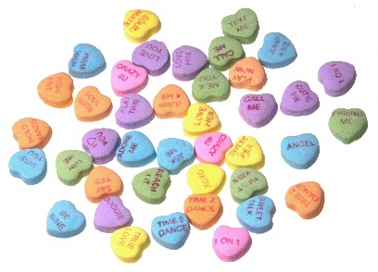
2026-02-02 | 2026-02-03 | 2026-02-04 | 2026-02-05 | 2026-02-06 | 2026-02-07 | 2026-02-08
Swim @ YMCA 4 Squares @ YMCA Groundhog Craft Homework & Read | Open Gym @ YMCA Central Park Board Games Homework & Read | Swim @ YMCA Sharks & Minnows @YMCA Valentine Craft Homework & Read | Basketball @ YMCA YDC Playground Memory/Matching Games Homework & Read | Swim @ YMCA Open Gym @ YMCA Puzzles Homework & Read
2026-02-09 | 2026-02-10 | 2026-02-11 | 2026-02-12 | 2026-02-13 | 2026-02-14 | 2026-02-15
Swim @ YMCA Soccer @ YMCA Olympics Craft Homework & Read | Open Gym @ YMCA Valentine Craft Building Blocks Homework & Read | Swim @ YMCA Capture the Flag @YMCA Fuse Beads @ YDC Homework & Read | Color Tag @ YMCA Valentine Craft YDC Playground Homework & Read | NO SCHOOL DAY See Seperate Schedule
2026-02-16 | 2026-02-17 | 2026-02-18 | 2026-02-19 | 2026-02-20 | 2026-02-21 | 2026-02-22
NO SCHOOL DAY See Seperate Schedule | Flag Football @ YMCA Rubberband Bracelets Central Park Homework & Read | Swim @ YMCA Tag Games @ YMCA Puzzles @ YDC Homework & Read | Garbage Ball @ YMCA Bingo @ YDC YOGA @ YDC Homework & Read | Swim @ YMCA Open Gym @ YMCA Clay Animals Homework & Read
2026-02-23 | 2026-02-24 | 2026-02-25 | 2026-02-26 | 2026-02-27 | 2026-02-28 | 2026-03-01
Swim @ YMCA Whiffle Ball @YMCA STEM Activity Homework & Read | YDC Playground Gaga Ball @ YMCA Card Games @ YDC Homework & Read | Swim @ YMCA Open Gym @ YMCA Coloring Contest Homework & Read | Kickball @ YMCA Scooters @ YDC Gameroom @ YMCA Homework & Read | Swim @ YMCA Open Gym @ YMCA Just Dance @ YDC Homework & Read

